Page 1
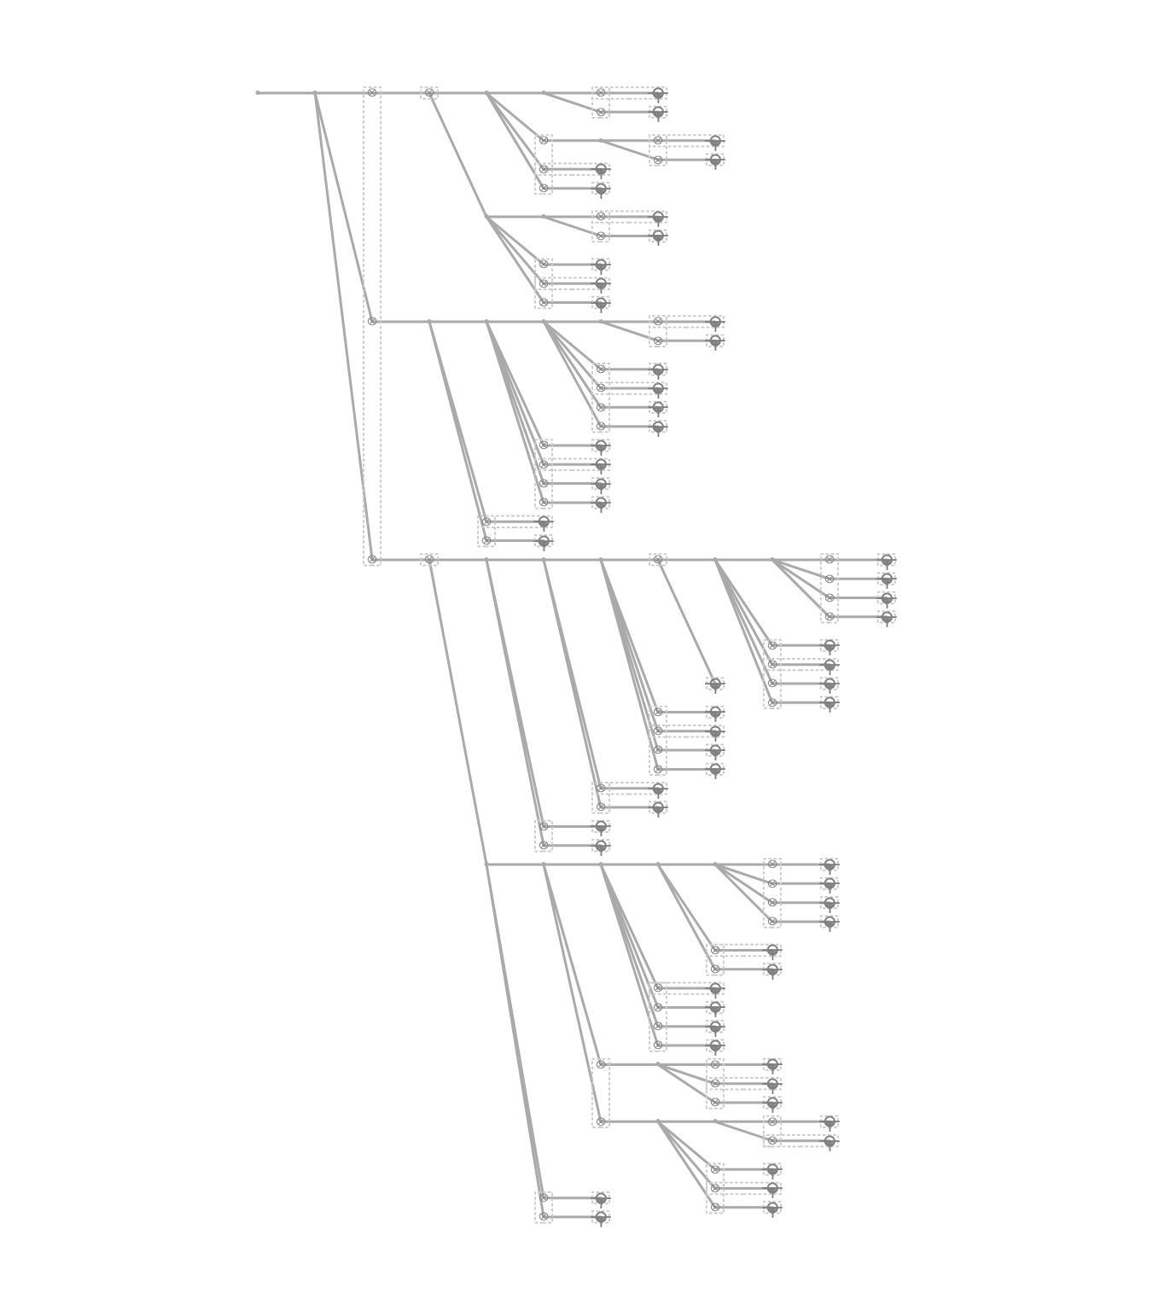
Fiber Trace Report
Cable: PFP TAIL 1 (432)
Fibers: #1:432
Design: PSA-2707PA-BRVLMNYF-CHARLIE
Date: 11/25/2024

